Log Normal
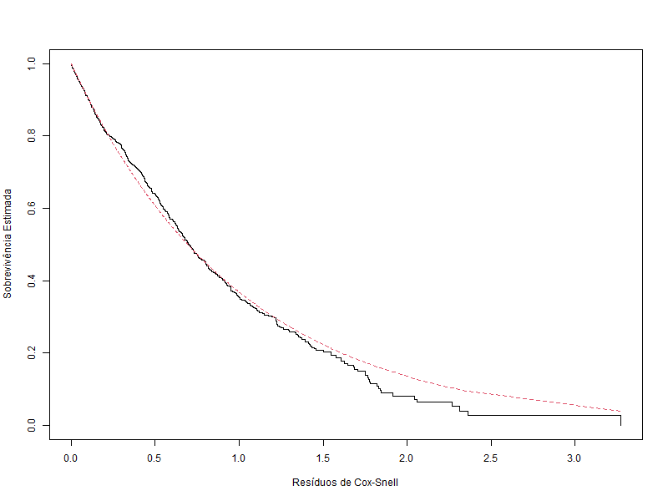
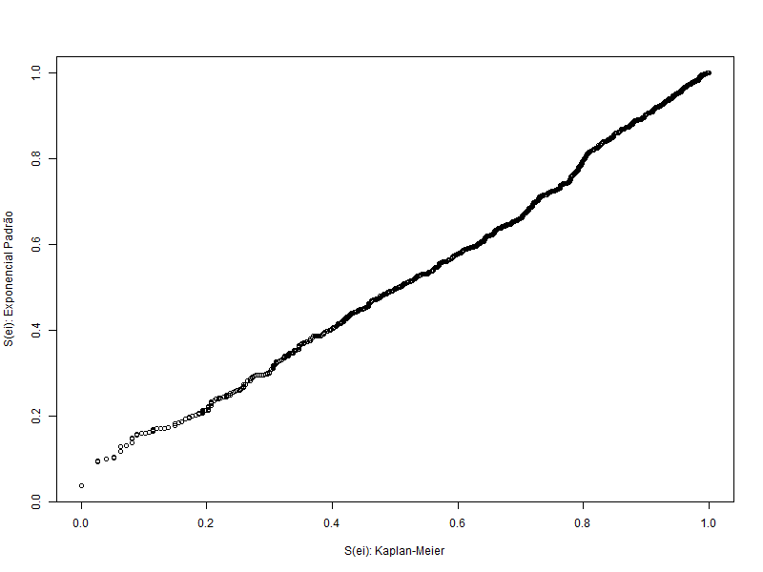
Variáveis Explicativas | Entrou no Modelo Final
gender
age | Sim
industry | Sim
profession | Sim
traffic | Sim
coach | Sim
head_gender
greywage | Sim
way
extraversion
independ
selfcontrol | Sim
anxiety | Sim
novator

Weibull
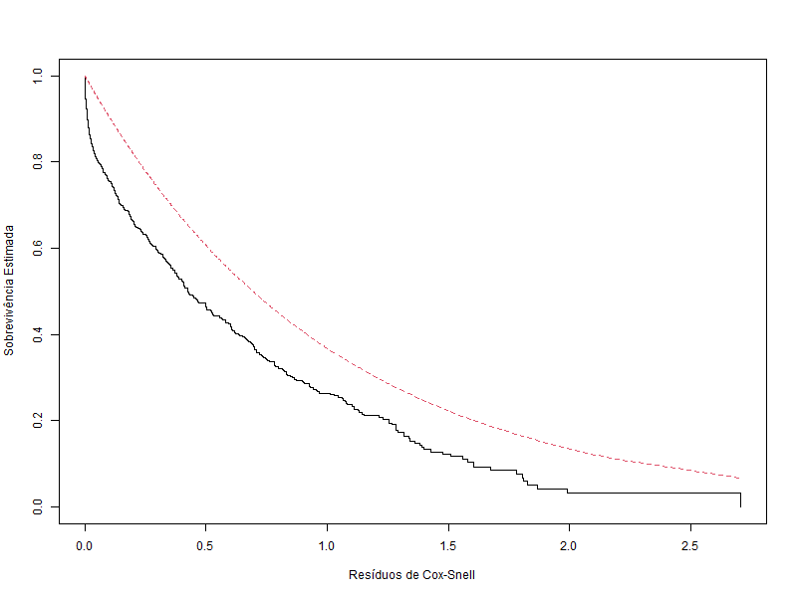
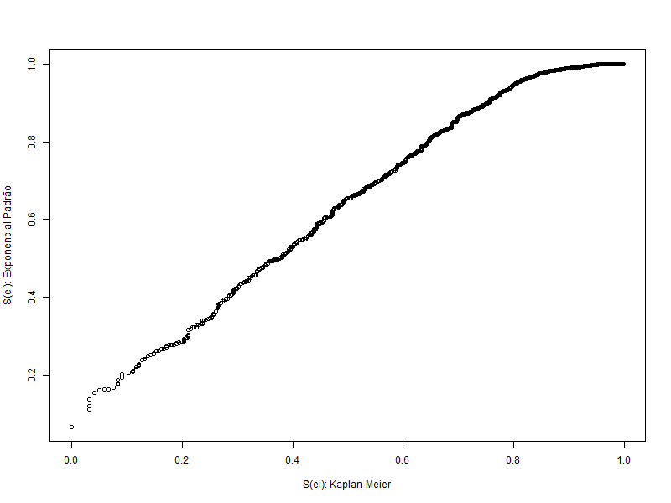
Variáveis Explicativas | Entrou no Modelo Final | Backward | Forward | Both
gender
age | Sim | Sim | Sim | Sim
industry | Sim | Sim | Sim | Sim
profession | Sim | Sim | Sim | Sim
traffic | Sim | Sim | Sim | Sim
coach
head_gender
greywage | Sim | Sim | Sim | Sim
way |  | Sim | Sim | Sim
extraversion
independ
selfcontrol | Sim | Sim | Sim | Sim
anxiety | Sim | Sim | Sim | Sim
novator

Exponencial
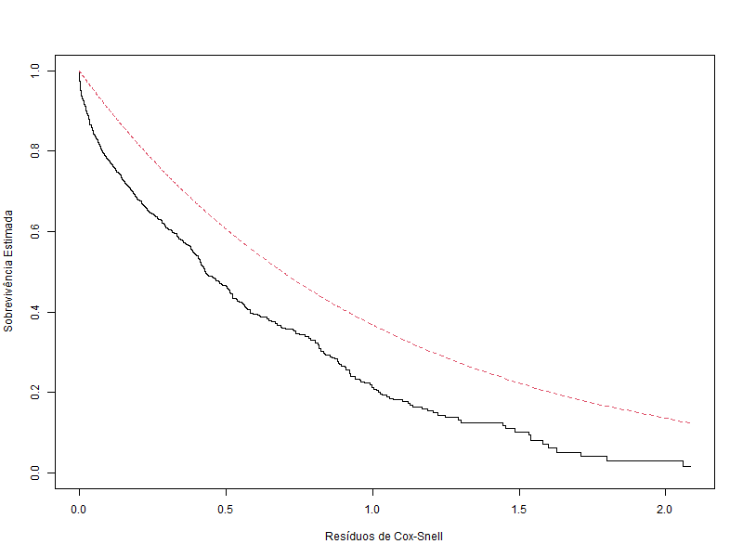
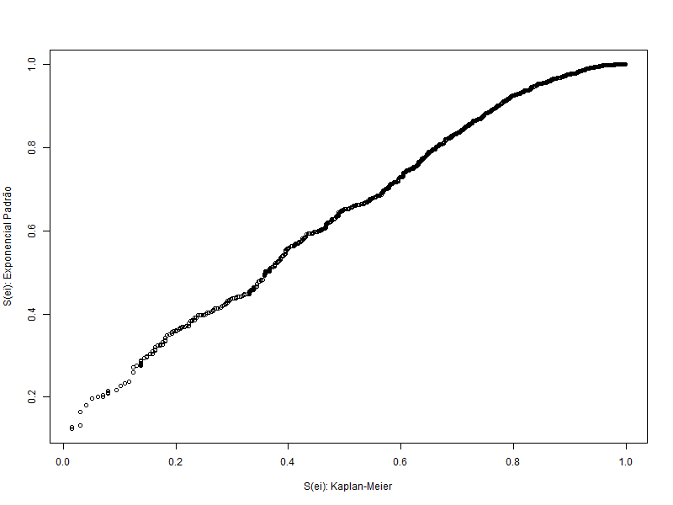
Variáveis Explicativas | Entrou no Modelo Final | Backward | Forward | Both
gender
age | Sim | Sim | Sim | Sim | age +
industry | Sim | Sim | Sim | Sim | industry +
profession
traffic | Sim | Sim | Sim | Sim | traffic +
coach
head_gender
greywage | Sim | Sim | Sim | Sim | greywage +
way | Sim | Sim | Sim | Sim | way +
extraversion
independ
selfcontrol | Sim | Sim | Sim | Sim | selfcontrol +
anxiety | Sim | Sim | Sim | Sim | anxiety ,
novator

Log Logistica
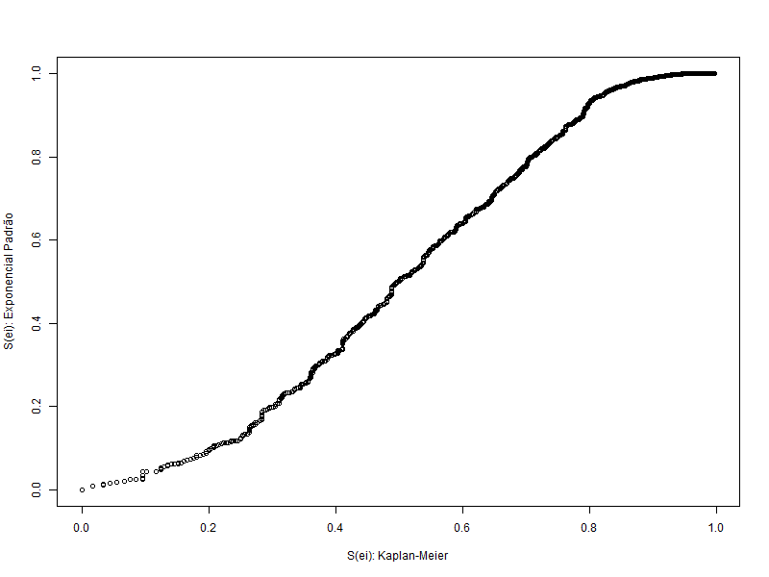
Variáveis Explicativas | Entrou no Modelo Final | Backward | Forward | Both
gender
age | Sim | Sim | Sim | Sim | age +
industry | Sim | Sim | Sim | Sim | industry +
profession | Sim | Sim | Sim | Sim | profession +
traffic | Sim | Sim | Sim | Sim | traffic +
coach
head_gender
greywage | Sim | Sim | Sim | Sim | greywage +
way
extraversion
independ
selfcontrol | Sim | Sim | Sim | Sim | selfcontrol +
anxiety | Sim | Sim | Sim | Sim | anxiety ,
novator

